SPI
Soy protein isolate | (Isoelectric precipitation)

 | Protein Recovery (%): | Protein content (%dm) |  | Electricity consumption
Brasil et al., 2016 (I) | 79 | - |  | min | max | median | Unit | Input in kg per kg white flakes | Density | Input in l per kg white flakes | Input in kg (l) median | median | Unit
 | 84.8 | - | Soaking |  |  |  | kJ / kg | 11.1 | NA | NA | 22.0 |  | kJ
 | 81.3 | - | Decanting centrifuge | 1.1 | 3.7 | 3.4 | kJ / l | 11.1 | 1.04 | 10.7 | 21.2 | 72.4 | kJ
 | 85.5 | - | Decanting centrifuge (flakes) | 1.1 | 3.7 | 3.4 | kJ / l | 0.7 | 1.04 | 0.7 | 1.3 | 4.5 | kJ
 | 82.4 | - | Decanting centrifuge (whey) | 1.1 | 3.7 | 3.4 | kJ / l | 10.3 | 1.03 | 10.0 | 19.9 | 67.9 | kJ
 | 78.5 | - | Decanting centrifuge (protein) | 1.1 | 3.7 | 3.4 | kJ / l | 7.5 | 1.03 | 7.3 | 14.5 | 49.6 | kJ
 | 76.3 | - | Pressing spent flakes | 0.4 | 1.9 | 1.1 | kJ / kg | 1.2 | NA | NA | 2.5 | 2.8 | kJ
 | 73.3 | - |  |  |  |  |  | --> based on material flows
 | 74 | - | Pumping | 0.09 | 0.164 | 0.15 | % | - | NA | NA | NA | 29.6 | kJ
 | 78.2 | -
 | 79.4 | - |  | Heat consumption
 | 78.1 | - |  | min | max | median | Unit | Input/evaporation in kg per kg white flakes | Density | Input/evaporation in l per kg white flakes | Input/evaporation in kg (l) median | median | Unit
 | 77.7 | - | Heating | 117.6 | 256.2 | 138.6 | kJ / kg | 11.06 | NA | NA | 22.0 | 3043.8 | kJ
 | 75.9 | - | Spray dryer protein | 3268 | 6333 | 4800.5 | kJ / kg | 2.49 | NA | NA | 4.9 | 23702.5 | kJ
 | 74.5 | - | Flash dryer spent flakes | 3600 | 5040 | 3600 | kJ / kg | 0.11 | NA | NA | 0.2 | 754.5 | kJ
 | 77.8 | -
 | 78.5 | - | DM content spray drier input (industry):
 | 74 | - | min | max | median |  |  |  | Density solids
 | 75.8 | - | 0.12 | 0.2 | 0.16 |  |  |  | 1.45 | kg/l
 | 78.8 | -
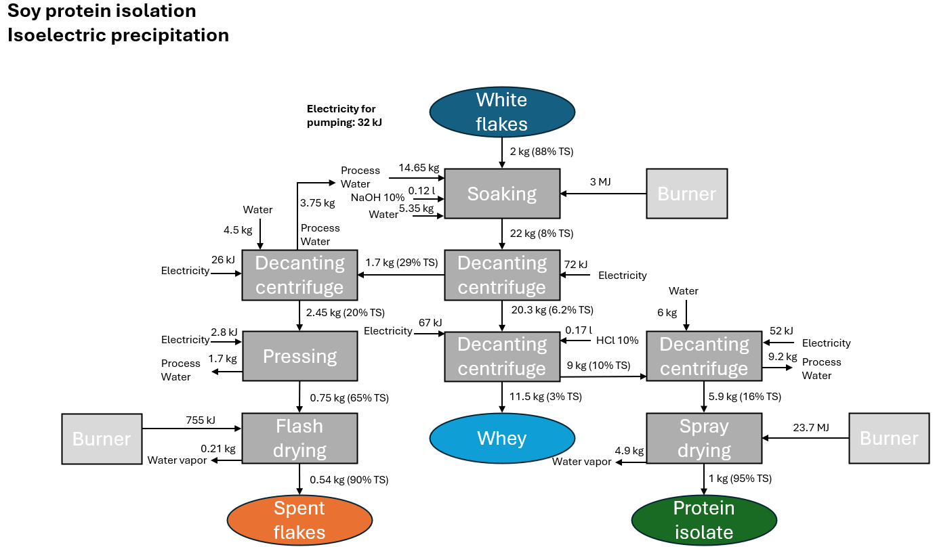
 | 74 | - | Parameters soy protein isolation
 | 73.7 | - |  | min | max | median | data source | comments
 | 78.6 | - | Protein content out (kg/kg) | 0.87 | 0.95 | 0.93 | Verfalillie et al., 2023 (L)
 | 72 | - | Protein content in (kg/kg) | 0.51 | 0.625 | 0.59 | FAO soy, 1992 (I), Deak et al., 2008 (B), Verfaille et al., 2023 (L) | Verfaille: Cultivation trials at research institute
 | 70.5 | - | Protein recovery (kg/kg) | 0.57 | 0.86 | 0.75 | Brasil et al., 2016 (I)
 | 64.9 | - | Dm content input (kg/kg) | NA | NA | 0.88 | Desmet webinar
 | 57.7 | - | Dm content protein isolate (kg/kg) | NA | NA | 0.95 | Deak et al., 2008 (B)
 | 57.3 | -
 | 66.5 | - | Electricity decanter centrifuge (kJ/kg) | 1.08 | 3.744 | 3.42 | --> | See tab Energy consumption machinery
 | 67.4 | - | Electricity pressing (kJ/kg) | 0.39 | 1.89 | NA | --> | See tab Energy consumption machinery
 | 71.5 | - | Electricity pumping (kJ/kJ) | 0.09 | 0.164 | 0.15 | --> | See tab Energy consumption machinery
 | 69.5 | -
 | 74.9 | - | Temperature change (C) | 28 | 61 | 33 | Mustakas et al., 1979 (I), FAO soy, 1992 (I), Joosep (I) | Max up to 80C, most patents report 55-60C. Room temperature assumed to be 19-22C
 | 68.1 | - | Heat spray dryer (kJ/kg) | 3268 | 6333 | NA | --> | See tab Energy consumption machinery
 | 67.3 | - | Heat flash dryer (kJ/kg) | 3600 | 5040 | 3600 | --> | See tab Energy consumption machinery
 | 77.3 | -
 | 73.7 | - | Ratio solvent:flakes soaking (kg/kg) | 10 | 20 | 10 | FAO soy, 1992 (I), Deak et al., 2008 (B), Industry expert | Industry expert: 13.5kg water / kg. Assumption: 10 kg/kg for soaking + 6 kg water for protein wash
 | 76.1 | - | DM content spray drier input (gdm/g) | 3200 | 5400 | 3850 | --> | See tab Energy consumption machinery
 | 77.7 | - | Allocation:
 | 74.6 |  | Price ratio protein:spent flakes (okara) | NA | NA | 23.4 | Agrifootprint | Agrifootprint data adapted to match our mass balance
Verfaillie et al., 2023 (L) | 52.8 | 88.6
 | 54.6 | 93.5 | Mass balance factors SPI |  |  | Soy protein isolation overview
 | 52.8 | 95.2 | Output spent flakes (kg/kg) | 0.27 |  | Input | median
 | 54.9 | 86.7 | Output whey (kg/kg) | 0.58 |  | White flakes kg | 1.99
 | 57.8 | 91 |  |  |  | Electricity kWh | 0.0629995
 | 51.6 | 93.4 | Water vapor (l/kg) | 2.47 |  | Heat kJ | 27501
 | 55.5 | 86.5 | HCl (30%) (l/kg) | 0.003 |  | Tap water kg | 16.504
 | 55.8 | 92.9 | NaOH (50%) (l/kg) | 0.00125 |  | NaOH (10%) l | 0.124
 | 50.8 | 95.1 |  |  |  | HCl (10%) l | 0.174
Median | 75.4 | 92.9 | Input decanting centrifuge (l/kg) | 1.06
min | 57.3 | 86.5 | Input decanting centrifuge (flakes) (l/kg) | 0.06 |  | Output
max | 85.5 | 95.2 | Input decanting centrifuge (whey) (l/kg) | -0.78 |  | Spent flakes kg | 0.54 | Shares of solids in spent flakes:whey obtained from FAO (I) (0.4:0.25); 20% TS estimated from water content of fresh okara
 |  |  | Input decanting centrifuge (protein) (l/kg) | 2.25 |  | Whey / waste water kg | 11.49 | Shares of solids in spent flakes:whey obtained from FAO (I) (0.4:0.25); 1.5-3% dm of whey depending on ratio of solvent:flakes from FAO (I)
 | Protein content (%fs) soy white flakes: |  | Input pressing (kg / kg) | 1.24 |  | Protein isolate kg | 1.00
FAO soy, 1992 | 55 |  | Input heating (kg/kg) | 1.06 |  | Water vapor m3 | 0.0049
Deak et al., 2008 | 52-54 |  | Input spray dryer (kg/kg) | -
Translated into %dm via 88% moisture content (see parameters) |  |  | Input flash dryer (kg/kg) | 0.11
 | Protein content (%dm) soy white flakes: |  |  |  |  | Literature mass flows:
Verfaille et al., 2023 | 51-60 |  | Density decanting centrifuge (l/kg) | 1.04 |  | Geerts et al. 2018
 |  |  | Density decanting centrifuge flakes (l/kg) | 1.04 |  | Patents Roquette
min | max | median | Density decanting centrifuge whey (l/kg) | 1.03
0.51 | 0.625 | 0.59 | Density decanting centrifuge protein (l/kg) | 1.03 |  | Industry information:
 |  |  |  |  |  | Alfa-laval
 |  |  |  |  |  | GEA (spray drying)
 |  |  |  |  |  | SiccaDania

PPI
Pea protein isolate | (without whey recovery) |  | Electricity consumption
 |  |  | min | max | median | Unit | Input in kg per kg pea flour | Density | Input in l per kg pea flour | Input in kg/l median | median energy use | Unit
Recovery (%): Patents roquette |  | Mixing | 6.48 | 18.62 | 12.55 | kJ / kg | 3.48 | NA | NA | 17.4 | 219.0 | kJ
min | max | Hydrocyclone (x15) | 1.4 | 2.2 | 1.8 | kJ / kg | 5.15 | NA | NA | 25.8 | 696.7 | kJ
65 | 85 | Vacuum drum filter | 74 | 124 | 99.0 | kJ / l | 0.99 | 1.18 | 0.84 | 4.2 | 416.5 | kJ
Patents roquette | Protein content (%dm) | Centrifugal decanter (fiber) | 1.1 | 3.7 | 3.4 | kJ / l | 4.16 | 1.05 | 3.95 | 19.8 | 67.8 | kJ
 | 88.4 | Centrifugal decanter (whey) | 1.1 | 3.7 | 3.4 | kJ / l | 3.96 | 1.05 | 3.78 | 19.0 | 64.9 | kJ
 | 88.1
 | 87.7 | Pumping | 0.09 | 0.164 | 0.15 | % | - | NA | NA | NA | 219.7 | kJ
 | 84.5
 | 86.2 |  | Heat consumption
 | 82.6 |  | min | max | median | Unit | Input/evaporation in kg per kg pea flour | Density | Input/evaporation in l per kg pea flour | Input/evaporation in kg median | median energy use | Unit
 | 84 | Ring dryer starch | 3200 | 5400 | 3850 | kJ / kg | 0.24 | NA | NA | 1.2 | 4693.9 | kJ
 | 85.2 | Ring dryer fiber | 3200 | 5400 | 3850 | kJ / kg | 0.27 | NA | NA | 1.4 | 5255.0 | kJ
 | 85.1 | Heating (precipitation) | 159.6 | 172.2 | 165.9 | kJ / kg | 3.81 | NA | NA | 19.1 | 3166.5 | kJ
 | 86.8 | Spray dryer protein | 3268 | 6333 | 4800.5 | kJ / kg | 0.98 | NA | NA | 4.9 | 23702.5 | kJ
Median | 85.7
 |  |  | Water consumption |  |  |  | Density solids
 |  |  | mean |  |  |  | 1.45 | kg/l
 |  | Mixing | 12.4
 |  | Hydrocyclone (x15) | 8.4
 | Pea flour (dry peas) protein content (%fs): | Centrifugal decanter (whey) | 4.1 |  |  |  | Data sources:
Desiderio et al., 2023 | 0.247 |  |  |  |  |  | Energy consumption: | see tab energy consumption
 | 0.222 | DM content spray drier input (industry): |  |  |  |  | Mass flows: | Geerts et al. (I), Patents Roquette (I), Industry inputs
 | 0.261 | min | max | median |  |  | DM content input spray drier: | Industry inputs
 | 0.211 | 0.12 | 0.2 | 0.16 |  |  | Allocation: | Saget et al., Agrifootprint
 | 0.227
 | 0.229 | Parameters pea protein isolation |  |  |  |  |  |  | Pea protein isolation overview
 | 0.232 |  | min | max | median/mode | Data source | Comment |  | Input | mean
 | 0.222 | Protein content out (kg/kg) | 0.826 | 0.884 | 0.857 | Patents roquette (I) |  |  | Pea flour kg | 5.0
 | 0.227 | Protein content in (kg/kg) | 0.194 | 0.261 | 0.2165 | Desiderio et al., 2023 (I) |  |  | Tap water kg | 24.911
 | 0.223 | Protein recovery (kg/kg) | 0.65 | 0.85 | NA | Patents roquette (I) |  |  | Electricity kWh | 0.46794
 | 0.194 | Dm content protein isolate (kg/kg) | NA | NA | 0.95 |  |  |  | Heat kJ | 36818
 | 0.204 |  |  |  |  |  |  |  | HCl 10% (l) | 0.44
 | 0.196 | Electricity mixing (kJ/kg) | 6.48 | 18.62 | NA | --> | See tab Energy consumption machinery |  | NaOH 10% (l) | 0.31
 | 0.201 | Electricity hydrocyclone (kJ/kg) | 1.4 | 2.2 | NA | --> | See tab Energy consumption machinery |  | HCl 30% (l) (ecoinvent process) | 0.15
 | 0.203 | Electricity vacuum drum filter (kJ/l) | 74 | 124 | NA | --> | See tab Energy consumption machinery |  | NaOH 50% (l) (ecoinvent process) | 0.06
 | 0.196 | Electricity centrifugal decanter (kJ/l) | 1.08 | 3.744 | 3.42 | --> | See tab Energy consumption machinery
 | 0.208 | Electricity pumping (kJ/kJ) | 0.09 | 0.164 | 0.15 | --> | See tab Energy consumption machinery |  | Output
 | 0.205 |  |  |  |  |  |  |  | Pea protein isolate kg | 1
median | 0.2165 | Heat ring dryer (kJ/kg) | 3200 | 5400 | 3850 | --> | See tab Energy consumption machinery |  | Pea fibers kg | 0.390
 |  | Temperature change (C) | 38 | 41 | NA | Patents roquette (I) | Heated to 60C. Room temperature assumed to vary between 19-22C |  | Pea starch kg | 2.09
 |  | Heat spray dryer (kJ/kg) | 3268 | 6333 | NA | --> | See tab Energy consumption machinery |  | Whey / wastewater kg | 17.1
 |  |  |  |  |  |  |  |  | Water vapor m3 | 24.896
 |  | DM content spray drier input (gdm/g) | 0.12 | 0.2 | 0.16 | --> | See tab Energy consumption machinery
 |  | Number hydrocyclones (-) | NA | NA | 15 | Geerts et al., 2018 (I)
 |  | Allocation:
 |  | Price ratio protein:starch | 2.34 | 4.7 | NA | Saget et al., 2021, Agrifootprint | Agrifootprint data adapted to match our mass balance
Literature mass flows:
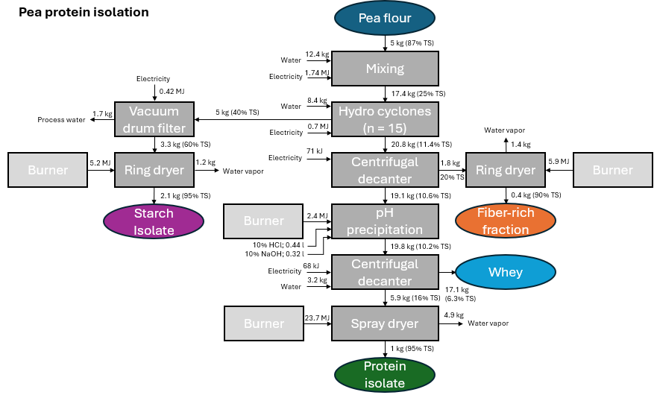
Geerts et al. 2018 |  | Mass balance factors PPI | kg / kg pea flour
Patents Roquette 2007/2008 |  | Output starch (kg/kg) | 0.42
 |  | Output fiber (kg/kg) | 0.08
Industry information: |  | Output whey (kg/kg) | 3.42
Alfa-laval |  |  | l / kg pea flour
GEA (spray drying) |  | Water (l/kg) | 4.784
SiccaDania |  | Water vapor (l/kg) | 1.82
 |  | HCl (30%) (l/kg) | 0.029166666667
 |  | NaOH (50%) (l/kg) | 0.0125
 |  |  | kg (l) / kg pea flour
 |  | Input mixing (kg/kg) | 3.48
 |  | Input hydrocyclone (kg/kg) | 5.15
 |  | Input vacuum drum filter (l/kg) | 0.84
 |  | Input centrifugal decanter (fiber) (l/kg) | 3.95
 |  | Input centrifugal decanter (whey) (l/kg) | 3.78
 |  | Input ring dryer (starch) (kg/kg) | 0.24
 |  | Input ring dryer (fiber) (kg/kg) | 0.27
 |  | Input heating (kg/kg) | 3.81
 |  | Input spray dryer (kg/kg) | -

 |  | Data source mass flows: | Geerts et al., 2018 (I), Patents Roquette (I), Industry inputs

PPC
Pea protein concentrate | (dry fractionation)

 | Electricity consumption |  |  |  |  |  |  |  | Literature mass flows:
 | min | max | median | Unit | Input in kg per kg pea flour | Input in kg median | median | Unit | Allotey et al. 2022
Classifier mill (Micronization) | 257 | 325 | 291 | kJ / kg | 1.0 | 5.0 | 1463.1 | kJ | Schutyser et al. 2011
Air classifier (Fractionation) | 2.9 | 47.6 | 34 | kJ / kg | 1.0 | 5.0 | 170.9 | kJ | Lie-Piang et al. 2021
 |  |  |  |  |  |  |  |  | Allotey et al. 2024

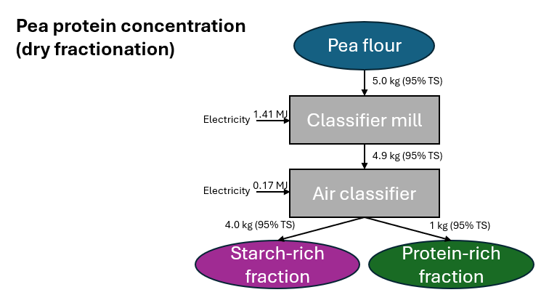
 |  |  |  |  | Pea flour (dry peas) protein content (%fs):
 |  |  |  | Desiderio et al., 2023 (I) | 0.247
Allotey et al. (R ) | Recovery (%): | Protein content (%) (%dm) |  |  | 0.222
 | 52.3 | 69.6 |  |  | 0.261
 | 50 | 42.9 |  |  | 0.211
 | 29 | 55.1 |  |  | 0.227
 | 40 | 55 |  |  | 0.229
 | 76 | 51 |  |  | 0.232
 | 48 | 51 |  |  | 0.222
 | 47 | 55.6 |  |  | 0.227
Median | 48.0 | 55.0 |  |  | 0.223
 |  |  |  |  | 0.194
 |  |  |  |  | 0.204
 |  |  |  |  | 0.196
 |  |  |  |  | 0.201
 |  |  |  |  | 0.203
 |  |  |  |  | 0.196
 |  |  |  |  | 0.208
 |  |  |  |  | 0.205
 |  |  |  | Median | 0.2165

Parameters pea protein concentration |  |  |  |  |  |  | Pea protein concentration overview
 | min | max | median | Data source | Comments |  | Input | median
Protein content in (kg/kg) | 0.194 | 0.261 | 0.2165 | Desiderio et al., 2023 (I) |  |  | Pea flour kg | 5.03
Protein content out (kg/kg) | 0.43 | 0.70 | 0.55 | Allotey et al., 2022 (R ) |  |  | Electricity kWh | 0.45
Protein recovery (kg/kg) | 0.29 | 0.76 | 0.48 | Allotey et al., 2022 (R )
Dm content protein concentrate (kg/kg) | NA | NA | 0.95 |  |  |  | Output
Electricity classifier mill (kJ/kg) | 6.48 | 18.62 | NA | --> | See tab Energy consumption machinery |  | Protein-rich fraction kg | 1
Electricity air classifier (kJ/kg) | 1.40 | 2.20 | NA | --> | See tab Energy consumption machinery |  | Starch-rich fraction kg | 4.03
Allocation:
Price ratio protein:starch | 2.92 | 3.23 | 3.23 | Allotey et al., 2024, Agrifootprint, Saget et al., 2021 | Agrifootprint data adapted to match our mass balance

SPC
Soy protein concentrate | (Alcohol wash)

 | Protein Recovery (%): | Protein content (%) | in %fm --> median, min, max translated in dm |  |  | Electricity consumption
Deak et al., 2008 (B) | 92 | 62-69 |  |  |  | min | max | median | Unit | Input in kg per kg white flakes | Input in kg median | median | Unit
Mujumdar (ed.), 2006 (B) | - | 67.8 |  |  | Soaking | NA | NA | NA | kJ / kg | 11.0 | 14.1 | 0.0 | kJ
Yu et al., 2021 (L) | 90-95 | 59-61 |  |  | Extractor | NA | NA | 15.4 | kJ / kg solids | 11.0 | 14.1 | 217.8 | kJ
Wang et al., 2004 (L) | 98 | 67.5 |  |  | Pressing | 0.39 | 1.89 | 1.14 | kJ / kg | 1.6 | 2.0 | 2.3 | kJ
Median | 92.5 | 70 | (average of middle two values of 4) |  | Evaporation (Ethanol) | NA | NA | 2.1 | kJ / kg | 7.0 | 9.0 | 18.9 | kJ
min | 90.0 | 62.1 |  |  | Evaporation (Water) | NA | NA | 2.1 | kJ / kg | 2.2 | 2.8 | 5.9 | kJ
max | 98 | 72.6 |  |  | Desolventization | NA | NA | 41.7 | kJ / kg | 0.4 | 0.555 | 23.1 | kJ
 |  |  |  |  | Solvent recovery | NA | NA | 1.9 | kJ / kg | 7.4 | 9.5 | 17.7 | kJ | Literature mass flows:
Deak et al., 2008 (B) | Water holding capacity SPC: | 2.6g/g |  |  | Grinding | 180.0 | 544.0 | 400.0 | kJ / kg | 0.8 | 1.0 | 400.0 | kJ | Patent Campbell et al. 1981
 |  |  |  |  | Pumping | 0.09 | 0.164 | 0.15 | % | - | - | 102.9 | kJ | Patent Hayes et al. 1973
 | Protein content (%fs) soy white flakes: |  |  |  |  |  |  |  |  |  |  |  |  | FAO website
FAO soy, 1992 | 55
Deak et al., 2008 (B) | 52-54 |  |  |  |  | Heat consumption |  |  |  |  |  |  |  | Industry information:
Translated into %dm via 88% moisture content (see parameters) |  |  |  |  |  | min | max | median | Unit | Input in kg per kg white flakes | Input in kg median | median | Unit | Crown iron works
 | Protein content (%dm) soy white flakes: |  |  |  | Heating soaking (50C) | 0.0 | 110.0 | 55.0 | kJ / kg | 11.0 | 14.1 | 776.1 | kJ | Desmet
Verfaille et al., 2023 (L) | 51-60 |  |  |  | Evaporation (Ethanol) | 484.6 | 703.4 | 594.0 | kJ / kg | 7.0 | 9.0 | 5320.1 | kJ
 |  |  |  |  | Evaporation (Water) | 908.2 | 1318.3 | 1113.3 | kJ / kg | 2.2 | 2.8 | 3124.7 | kJ
min | max | median |  |  | Desolventization | 1915.9 | 3056.4 | 2486.2 | kJ / kg | 0.4 | 0.6 | 1420.8 | kJ
0.51 | 0.625 | 0.59 |  |  | Vacuum drying | 4680.0 | 5400.0 | 5040.0 | kJ / kg | 0.1 | 0.1 | 708.1 | kJ
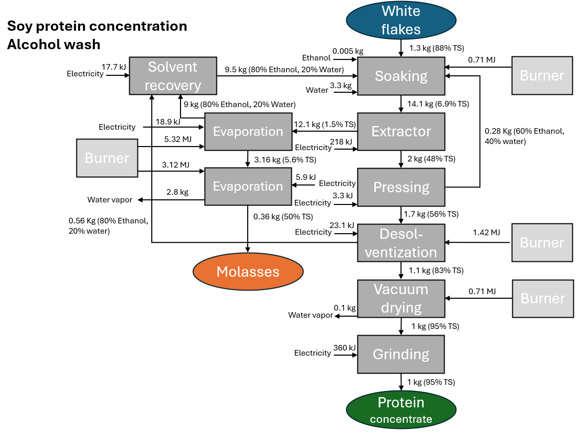
Parameters soy protein concentration
 | min | max | median | Data sources | Comments
Protein content out (kg/kg) | 0.62 | 0.73 | 0.70 | Deak et al., 2008 (B), Mujumdar (ed.), 2006 (B), Yu et al., 2021 (L), Wang et al., 2004 (L)
Protein content in (kg/kg) | 0.51 | 0.625 | 0.59 | FAO soy, 1992, Deak et al, 2008. (B), Verfaille et al., 2023 (L) | Verfaille: Cultivation trials at research institute
Protein recovery (kg/kg) | 0.90 | 0.98 | 0.93 | Deak et al., 2008 (B), Yu et al., 2021 (L), Wang et al., 2004 (L)
Dm content input (kg/kg) | NA | NA | 0.88 | Desmet webinar
Dm content protein concentrate (kg/kg) | NA | NA | 0.95 | Deak et al., 2008 (B)

Electricity extractor (kJ/kg) | NA | NA | 15.44 | --> | See tab Energy consumption machinery
Electricity pressing (kJ/kg) | 0.39 | 1.89 | NA | --> | See tab Energy consumption machinery
Electricity evaporation (kJ/kg) | NA | NA | 2.1148731277 | --> | See tab Energy consumption machinery
Electricity desolventization (kJ/kg) | NA | NA | 41.687881969 | --> | See tab Energy consumption machinery
Electricity solvent recovery (kJ/kg) | NA | NA | 1.8638711387 | --> | See tab Energy consumption machinery
Electricity grinding (kJ/kg) | 180 | 544 | 400 | --> | See tab Energy consumption machinery
Electricity pumping (kJ/kJ) | 0.09 | 0.164 | 0.15 | --> | See tab Energy consumption machinery

Heat evaporation (ethanol) (kJ/kg) | 484.6 | 703.4 | NA | see calculations based on hexane solvent in Sheehan et al, 1998 (I)
Heat evaporation (water) (kJ/kg) | 908.2 | 1318.3 | NA | see calculations based on hexane solvent in Sheehan et al, 1998 (I)
Heat desolventization (kJ/kg) | 1915.9 | 3056.4 | NA | see calculations based on hexane solvent in Sheehan et al, 1998 (I)
Heat vacuum drying (kJ/kg) | 4680.0 | 5400.0 | NA | see calculations based on hexane solvent in Sheehan et al, 1998 (I)

Heating (kJ/kg) | 0.0 | 110.0 | NA | Industry expert | Process run at approx. 50C; room temp 20C; 0 if recovered heat is used
TS after sieving (gTS/g) | 0.44 | 0.50 | 0.48 | In-house experiment | White flakes saked in 60%EtH, sieved & pressed
TS after pressing (gTS/g) | 0.52 | 0.57 | 0.56 | In-house experiment | White flakes saked in 60%EtH, sieved & pressed
Allocation:
Price ratio spc:molasses | 22.6 | 24.2 | NA | Agrifootprint, Industry report 2022

Mass balance factors SPC |  |  | Soy protein concentration overview
Output molasses (kg/kg) | 0.39 |  | Input | median
 |  |  | White flakes kg | 1.28
Water (l/kg) | 2.36 |  | Electricity kWh | 0.2191
Water vapor (l/kg) | 2.09 |  | Heat kJ | 11349.77
Ethanol 95% (l/kg) | 0.004 |  | Tap water kg | 3.31533
 |  |  | Ethanol (95%) l | 0.005 | (Agrifootprint and industry report, 2022)
Input soaking (kg/kg) | 11.00
Input extractor (flakes) (kg/kg) | 11.00 |  | Output
Input evaporator ethanol (kg/kg) | 6.94 |  | Molasses | 0.36
Input evaporator water (kg/kg) | 2.12 |  | Protein concentrate | 1.00
 |  |  | Water vapor m3 | 0.00295

Calculation of energy use for evaporation & desolventization based on hexane extraction and thermodynamic principles
Best case - as efficient as hexan-based process in Sheehan et al. --> three stage evaporator, heat recovery
Hexane |  |  |  |  |  |  |  | Heat capacity 60% ethanol
Solvent per flaked beans |  | 1.2 | kg |  | Thermodynamic parameters |  |  | T (K) | Cp
Concentration solvent in meal |  | 0.35 |  |  | Molecular mass ethanol [g/mol]: | 46.069 |  | 298.15 | 101.511
Flaked beans: |  | 79462 | kg |  | Molecular mass water [g/mol]: | 18.015 |  | 303.15 | 102.448
Hexane |  | 95110 | kg |  | Mass ratio [kg ethanol / kg water]: | 1.500 |  | 308.15 | 103.527
Miscella |  | 70438 | kg |  | Molecular ratio 60% ethanol [mol ethanol / mol water]: | 0.370 |  | 313.15 | 104.577
Meal |  | 96730 | kg |  | Molecular ratio 80% ethanol [mol ethanol / mol water]: | 0.610 |  | 318.15 | 105.741
Hexane in meal |  | 33855.5 | kg |  | Molecular mass 60% ethanol [g/mol]: | 28.387 |  | 323.15 | 106.763
Hexane in miscella |  | 61254.5 | kg |  | Molecular mass 80% ethanol [g/mol]: | 35.128 |  | Mean | 104.0945
Steam use evaporation |  | 134.6 | kJ/kg hexane |  | Heat capacity 60% ethanol 25-50 degrees [J/(Kmol)]: | 104.0945
Electricity use evaporation |  | 2.1 | kJ/kg hexane |  | Heat capacity 60% ethanol (25-50 degrees) [kJ/(Kkg)]: | 3.67
Steam use desolventization |  | 1020.9 | kJ/kg hexane |  | Boiling point 60% ethanol [degrees C]: | 80.5 |  | Experiment pressing:
Electricity use desolventization |  | 41.7 | kJ/kg hexane |  | Enthalpy of evaporation 80% ethanol [kJ/mol] ~: | 40 |  | TS before: | 0.93
60% Ethanol |  |  |  |  | Enthalpy of evaporation 80% ethanol [kJ/kg]: | 1138.7 |  | TS after sieving 1: | 0.48
Temperature difference process to boiling: |  | 30.5 | degrees C |  | Evaporation for 80%EtOH because of conc in gaseous phase |  |  | TS after sieving 2: | 0.50
Steam use evaporation |  | 484.6 | kJ/kg 60 %ethanol |  |  |  |  | TS after sieving 3: | 0.44
Electricity use evaporation |  | 2.1 | kJ/kg 60 %ethanol |  | Molar mass hexane [g/mol]: | 86.1785 |  | TS after sieving mean: | 0.47
Steam use desolventization |  | 1915.9 | kJ/kg 60 %ethanol |  | Heat capacity hexane [J/(molK)]: | 197.66 |  | TS after sieving sd: | 0.03
Electricity use desolventization |  | 41.7 | kJ/kg 60 %ethanol |  | Heat capacity hexane [kJ/(kgK)]: | 2.29 |  | TS after pressing 1: | 0.56
Water |  |  |  |  | Boiling point hexane [degrees C]: | 69 |  | TS after pressing 2: | 0.57
T difference boiling point ethanol and water |  | 20 | degrees C |  | Enthalpy of evaporation hexane [kJ/mol]: | 31.73 |  | TS after pressing 3: | 0.52
Steam use evaporation |  | 908.2 | kJ/kg water |  | Enthalpy of evaporation hexane [kJ/kg]: | 368.19 |  | TS after pressing mean: | 0.55
Electricity use evaporation |  | 2.1 | kJ/kg water |  | Ethanol-Water Heat Capacity - SpringerMaterials |  |  | TS after presssing sd: | 0.03
Heating
T defference room to process |  | 30 | degrees C |  | Heat capacity soybean oil [kJ/(kgK)] | 1.97
Steam use heating |  | 0.00 | kJ/kg 60% ethanol | (recovered heat) | Heat capacity water [kJ/(kgK)] | 4.186
 |  |  |  |  | Enthalpy of evaporation water [kJ/kg] | 2260

 |  |  |  |  | Heat capacity of solids (soybeans) [kJ/(kgK)] ~: | 2 | Source: | Deshpande 1999
 |  |  |  |  | Correction factor for losses in indirect steam use: | 1.125 | Source: | Kessler p. 230

Worst case - two stage evaporator, no heat recovery, max loss desolventizing |  |  |  |  | Processes hexane based on Sheehan et al.
60% Ethanol |  |  |  |  | Desolvenitzation
Temperature difference process to boiling: |  | 30.5 | degrees C |  | Energy use desolventizer-toaster effectively reported: | 39928608.232 | kJ/h
Steam use evaporation |  | 703.4 | kJ/kg 60 %ethanol |  | Mass soybeans: | 63665 | kg/h
Electricity use evaporation |  | 2.1 | kJ/kg 60 %ethanol |  | Mass hexane: | 39131 | kg/h
Steam use desolventization |  | 3056.4 | kJ/kg 60 %ethanol |  | Energy heating soybeans: | 6493830 | kJ/h
Electricity use desolventization |  | 41.7 | kJ/kg 60 %ethanol |  | Energy heating hexane: | 4577316.9231 | kJ/h
Water |  |  |  |  | Energy hexane evaporation: | 14407614.776 | kJ/h
T difference boiling point ethanol and water |  | 20 | degrees C |  | Total energy use calculated based on thermodynamic parameters: | 25478761.699 | kJ/h
Steam use evaporation |  | 1318.3 | kJ/kg water |  | Ratio energy use reported : calculated: | 1.57 | -
Electricity use evaporation |  | 2.1 | kJ/kg water
Heating |  |  |  |  | Estimated max loss factor desolventizing (Expert judgement): | 2.5
T defference room to process |  | 30 | degrees C
Steam use heating |  | 110.01 | kJ/kg 60% ethanol |  | Distillation / evaporation
 |  |  |  |  | Energy use evaporators effectively reported: | 8242819.6832 | kJ/h
For comparison: |  |  |  |  | Mass hexane: | 55210 | kg/h
--> Table 10.5 in handbook of industrial drying: two-stage evaporation 1300 kJ/kg water |  |  |  |  | Mass oil: | 15226 | kg/h
 |  |  |  |  | Energy heating hexane: | 2912496.7109 | kJ/h
 |  |  |  |  | Energy heating oil: | 689890.06 | kJ/h
 |  |  |  |  | Energy hexane evaporation: | 20327730.234 | kJ/h
 |  |  |  |  | Total energy use calculated based on thermodynamic parameters: | 23930117.005 | kJ/h
 |  |  |  |  | Ratio energy use reported : calculated: | 0.34445379775

Gluten HP
Wheat gluten | (HP disintegration process) |  |  |  |  |  | Electricity consumption
 |  |  |  |  |  |  | min | max | median | Unit | Input in kg per kg wheat flour | Density | Input in l per kg pea flour | Input in kg median | Input in kg (l) median | median | Unit
 | Gluten Recovery (%): | Protein content (%fs) | A starch Recovery (%): | B starch Recovery (%) |  | Mixing | 6.48 | 18.62 | 12.55 | kJ / kg | 1.9 | NA | NA | 16.19 | 16.19 | 203.1 | kJ
Sayaslan | 80-85 |  |  |  |  | Homogenisator | 7.2 | 18.9 | 13.0 | kJ / l | 3.5 | 1.1 | 3.1 | 29.14 | 26.19 | 341.8 | kJ
Barr patent | 82 |  | 80-85 | 8-12 |  | Tricanter centrifuge | 1.1 | 3.7 | 3.4 | kJ / l | 4.1 | 1.1 | 3.7 | 34.12 | 31.13 | 106.5 | kJ
Witt et al. |  |  | up to 85% | 12 |  | Mixing gluten B starch | 6.48 | 18.62 | 12.55 | kJ / kg | 1.29 | NA | NA | 10.74 | 10.74 | 134.8 | kJ
Alfa-laval process patent |  | 76-78 |  |  |  | Vibrating screen | 0 | 0 | 0.0 | kJ / kg | 1.7 | NA | NA | 13.74 | 13.74 | 0.0 | kJ
Industry websites |  | >75 |  |  |  | Gluten wash | 0 | 0 | 0.0 | kJ / kg | 0.4 | NA | NA | 3.06 | 3.06 | 0.0 | kJ
Industry input flottweg |  |  | 58-62% | 20-22% |  | Centrifugal sieve (B starch) | 0.27 | 0.612 | 0.441 | kJ / l | 1.5 | 1.05 | 1.4 | 12.24 | 11.65 | 5.1 | kJ
min | 0.8 | 0.76 | 0.58 | 0.2 |  | Pin mill | 124 | 273 | 198.5 | kJ / kg | 0.1 | NA | NA | 1.00 | 1.00 | 198.5 | kJ
max | 0.85 | 0.78 | 0.62 | 0.22
median | 0.82 | 0.77 | 0.6 | 0.21
 |  |  |  |  |  | Sedicanter/Decanting centrifuge | 1.1 | 3.7 | 3.4 | kJ / l | 2.1 | 1.0 | 2.1 | 17.45 | 17.37 | 59.4 | kJ
Fiber content wheat flour (%fs): |  |  | Protein content (%dm) wheat flour: | Quaranta et al., 2010 | Sayeslan, Maningat, Witt: >11% protein durum wheat | Centrifugal sieve (A starch) | 0.27 | 0.612 | 0.441 | kJ / l | 2.1 | 1.2 | 1.7 | 17.80 | 14.34 | 6.3 | kJ
0.03 | USDA |  | min | max | median | Nozzle centrifuge (A starch) | 1.0 | 2.5 | 1.6 | kJ / l | 2.1 | 1.08 | 1.9 | 17.52 | 16.23 | 25.8 | kJ
Pentosan and solubles in wheat flour (%fs): |  |  | 0.116 | 0.145 | 0.128 | Hydrocyclones | 1.4 | 2.2 | 1.8 | kJ / kg | 3.6 | NA | NA | 30.30 | 30.30 | 600.0 | kJ
0.18 | calculated from mass balance |  | Gluten content (%fs) wheat flour: | Marti et al., 2015 |  | Nozzle centrifuge hydrocyclone | 1.0 | 2.5 | 1.6 | kJ / l | 2.6 | 1.0 | 2.6 | 21.87 | 21.77 | 34.7 | kJ
 |  |  | 0.0893 | 0.1344 | 0.1128 | Pressing | 0.4 | 1.9 | 1.1 | kJ / kg | 1.0 | NA | NA | 8.43 | 8.43 | 9.6 | kJ
Starch content (%fs) wheat flour: | van der Brought et al., 2005 |  |  |  |  | Nozzle centrifuge (B starch) | 1.0 | 2.5 | 1.6 | kJ / l | 1.4 | 1.05 | 1.3 | 11.68 | 11.16 | 17.8 | kJ
min | max | median | dm content wheat flour | USDA Flour, semolina, fine, Marti et al. 2015 | & min value FAO wheat, 1991 | Evaporation pentosan | NA | NA | 2.1 | kJ / kg | 0.2 | NA | NA | 1.27 | 1.27 | 2.7 | kJ
0.63 | 0.72 | 0.675 | 0.855 | 0.895 | 0.875 | Pumping | 0.3 | 0.35 | 0.325 | % | - | NA | NA |  | NA | 567.5 | kJ

Parameters wheat gluten
 | min | max | median | data source | comment |  | Heat consumption
Protein content out (kg/kg) | 0.76 | 0.78 | NA | Kerkkonen patent, 1976, Industry websites |  |  | min | max | median | Unit | Input in kg per kg wheat flour | Density | Input in l per kg pea flour | Input in kg median | Input in kg median | median | Unit
Gluten content in (kg/kg) | 0.0893 | 0.1344 | 0.1128 | Marti et al., 2015 |  | Heating water (to 30-40C) | 21.0 | 84.0 | 50.4 | kJ / kg | 3.1 | NA | NA | NA | 25.79 | 1299.9 | kJ
Starch content wheat flour (kg/kg) | 0.63 | 0.72 | NA |  |  | Flash drying fibers | 3600.0 | 5040.0 | 3600.0 | kJ / kg | 0.1 | NA | NA | NA | 0.55 | 1997.9 | kJ
Gluten recovery (kg/kg) | 0.8 | 0.85 | NA | Sayeslan et al., 2004, Barr patent, 1979 |  | Ring drying A starch | 3200.0 | 5400.0 | 3850.0 | kJ / kg | 0.2 | NA | NA | NA | 1.27 | 4876.3 | kJ
A starch recovery | 0.58 | 0.62 | NA | Industry input flottweg |  | Ring drying B starch | 3200.0 | 5400.0 | 3850.0 | kJ / kg | 0.2 | NA | NA | NA | 1.58 | 6075.1 | kJ
B starch recovery | 0.2 | 0.22 | NA | Industry input flottweg |  | Ring drying gluten | 3200 | 5400 | 3850 | kJ / kg | 0.3 | NA | NA | NA | 2.17 | 8341.7 | kJ
dm content wheat flour (kg/kg) | 0.855 | 0.895 | NA | USDA, FAO wheat, 1991 |  | Evaporation pentosan | 908 | 1318 | 1113 | kJ / kg | 0.2 | NA | NA | NA | 1.27 | 1415.0 | kJ
dm content gluten out (kg/kg) | NA | NA | 0.95 | Deng et al., 2013 (I) |  | Ring drying pentosan | 3200 | 5400 | 3850 | kJ / kg | 0.2 | NA | NA | NA | 1.3 | 5074.5980607 | kJ
dm content starch out (kg/kg) | NA | NA | 0.86 | Deng et al., 2013 (I)
 |  |  |  |  |  |  |  |  |  |  | Density solids
A starch yield tricanter | NA | NA | 0.55 | Industry input flottweg |  |  |  |  |  |  | 1.45 | kg/l
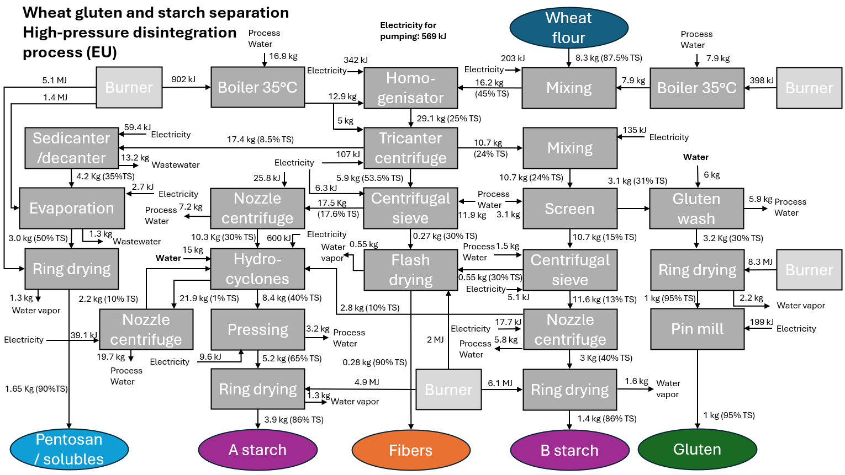
TS_starch_tricanter | 0.52 | 0.55 | NA | Industry input flottweg
TS_protein_tricanter | 0.2 | 0.28 | NA | Industry input flottweg
TS_pentosan_tricanter | 0.07 | 0.1 | NA | Industry input flottweg
A starch in B starch fraction | 0.03 | 0.07 | NA | Industry input flottweg |  |  |  |  |  |  |  |  |  |  | Literature mass flows:
 |  |  |  |  |  |  |  |  |  |  |  |  |  |  | Deng et al. 2013
Electricity mixing (kJ/kg) | 6.48 | 18.62 | NA | --> | See tab Energy consumption machinery |  |  |  |  |  |  |  |  |  | Wheat is unique 1989
Electricity homogenisator (kJ/l) | 7.2 | 18.9 | NA | --> | See tab Energy consumption machinery |  |  |  |  |  |  |  |  |  | Sayaslan et al. 2014
Electricity centrifuge (kJ/l) | 1.08 | 3.744 | 3.42 | --> | See tab Energy consumption machinery |  |  |  |  |  |  |  |  |  | Witt et al. 2000
Electricity centrifugal sieve (kJ/l) | 0.3 | 0.6 | NA | --> | See tab Energy consumption machinery |  |  |  |  |  |  |  |  |  | Maningat 2009
Electricity nozzle centrifuge (kJ/l) | 1.0 | 2.5 | 1.6 | --> | See tab Energy consumption machinery |  |  |  |  |  |  |  |  |  | Flottweg webpage
Electricity hydrocyclone (kJ/kg) | 1.4 | 2.2 | NA | --> | See tab Energy consumption machinery
Electricity pumping (kJ/kJ) | 0.09 | 0.164 | 0.15 | --> | See tab Energy consumption machinery |  |  |  |  |  |  |  |  |  | Industry information:
 |  |  |  |  |  |  |  |  |  |  |  |  |  |  | Flottweg
Heat flash dryer (kJ/kg) | 3600 | 5040 | 3600 | --> | See tab Energy consumption machinery |  |  |  |  |  |  |  |  |  | Alfa-laval
Temperature change (C) | 5 | 20 | 12 | Sayaslan et al., 2004, Industry input flottweg | Heated to 30-40C; 30-32 according to flottweg. Room temperature assumed at 20C. If heat from hydrocyclone-process water is recovered, only ca 5C heating necessary
Heat ring dryer (kJ/kg) | 3200 | 5400 | 3850 | --> | See tab Energy consumption machinery

Number hydrocyclones (-) | 10 | 12 | 11 | Maningat et al., 2009, Industry input flottweg
Allocation:
Price ratio gluten:A starch | 2.33 | 2.94 | NA | Deng et al., 2013, Agrifootprint | Agrifootprint data adapted to match our mass balance
Price ratio gluten:B starch | 3 | 8.6 | NA | Deng et al., 2013, Agrifootprint | Agrifootprint data adapted to match our mass balance

Mass balance factors wheat gluten |  |  | Wheat gluten separation overview
Water (l/kg) | 2.500 |  | Input | median
Wastewater (l/kg) | 1.73 |  | Wheat flour kg | 8.325
 |  |  | Electricity kWh | 0.64
Input mixing (kg/kg) | 1.94 |  | Heat kJ | 29080
Input homogenisator (l/kg) | 3.15 |  | Tap water kg | 20.812
Input tricanter centrifuge (l/kg) | 3.74
Input centrifugal sieve (B starch) (l/kg) | 0.18 |  | Output
Input hydrocyclones (kg/kg) | 2.06 |  | Wheat gluten kg | 1
Input heating (kg/kg) | 3.10 |  | Wheat A starch kg | 3.92
 |  |  | Wheat B starch kg | 1.37
Density centrifugal sieve B starch (kg/l) | 1.05 |  | Fiber kg | 0.28
Density sedicanter (kg/l) | 1.00 |  | Pentosans/solubles kg | 1.65
Density centrifugal sieve A starch (kg/l) | 1.24 |  | Wastewater m3 | 0.014
Density nozzle centrifuge A starch (kg/l) | 1.08
Density nozzle centrifuge hydrocyclone (kg/l) | 1.00
Density nozzle centrifuge B starch (kg/l) | 1.05

